Sheet
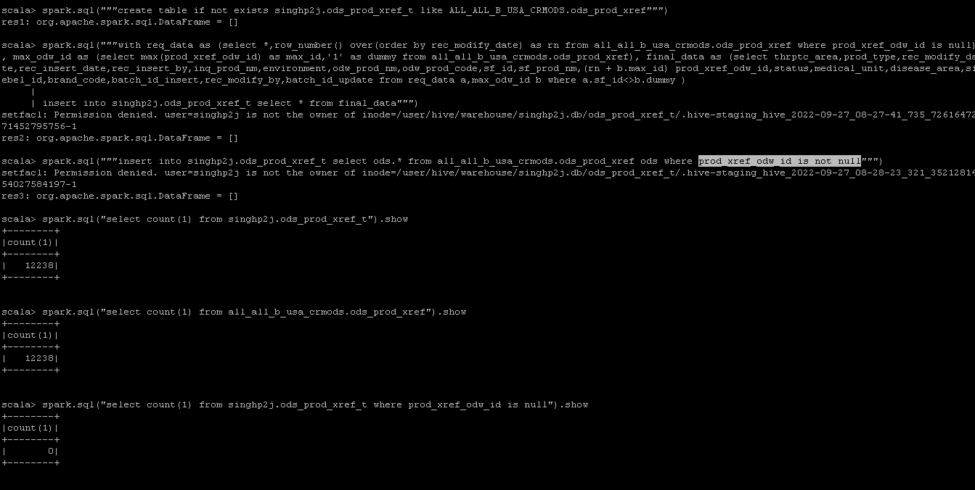
thrptc_area | string
prod_type | string
rec_modify_date | timestamp
rec_insert_date | timestamp
rec_insert_by | string
inq_prod_nm | string
environment | string
odw_prod_nm | string
odw_prod_code | string
sf_id | string
sf_prod_nm | string
prod_xref_odw_id | int
status | string
medical_unit | string
disease_area | string
siebel_id | string
brand_code | string
batch_id_insert | int
rec_modify_by | string
batch_id_update | int

